START HERE Instructions
*Please make a COPY of this Google Sheet in order to edit

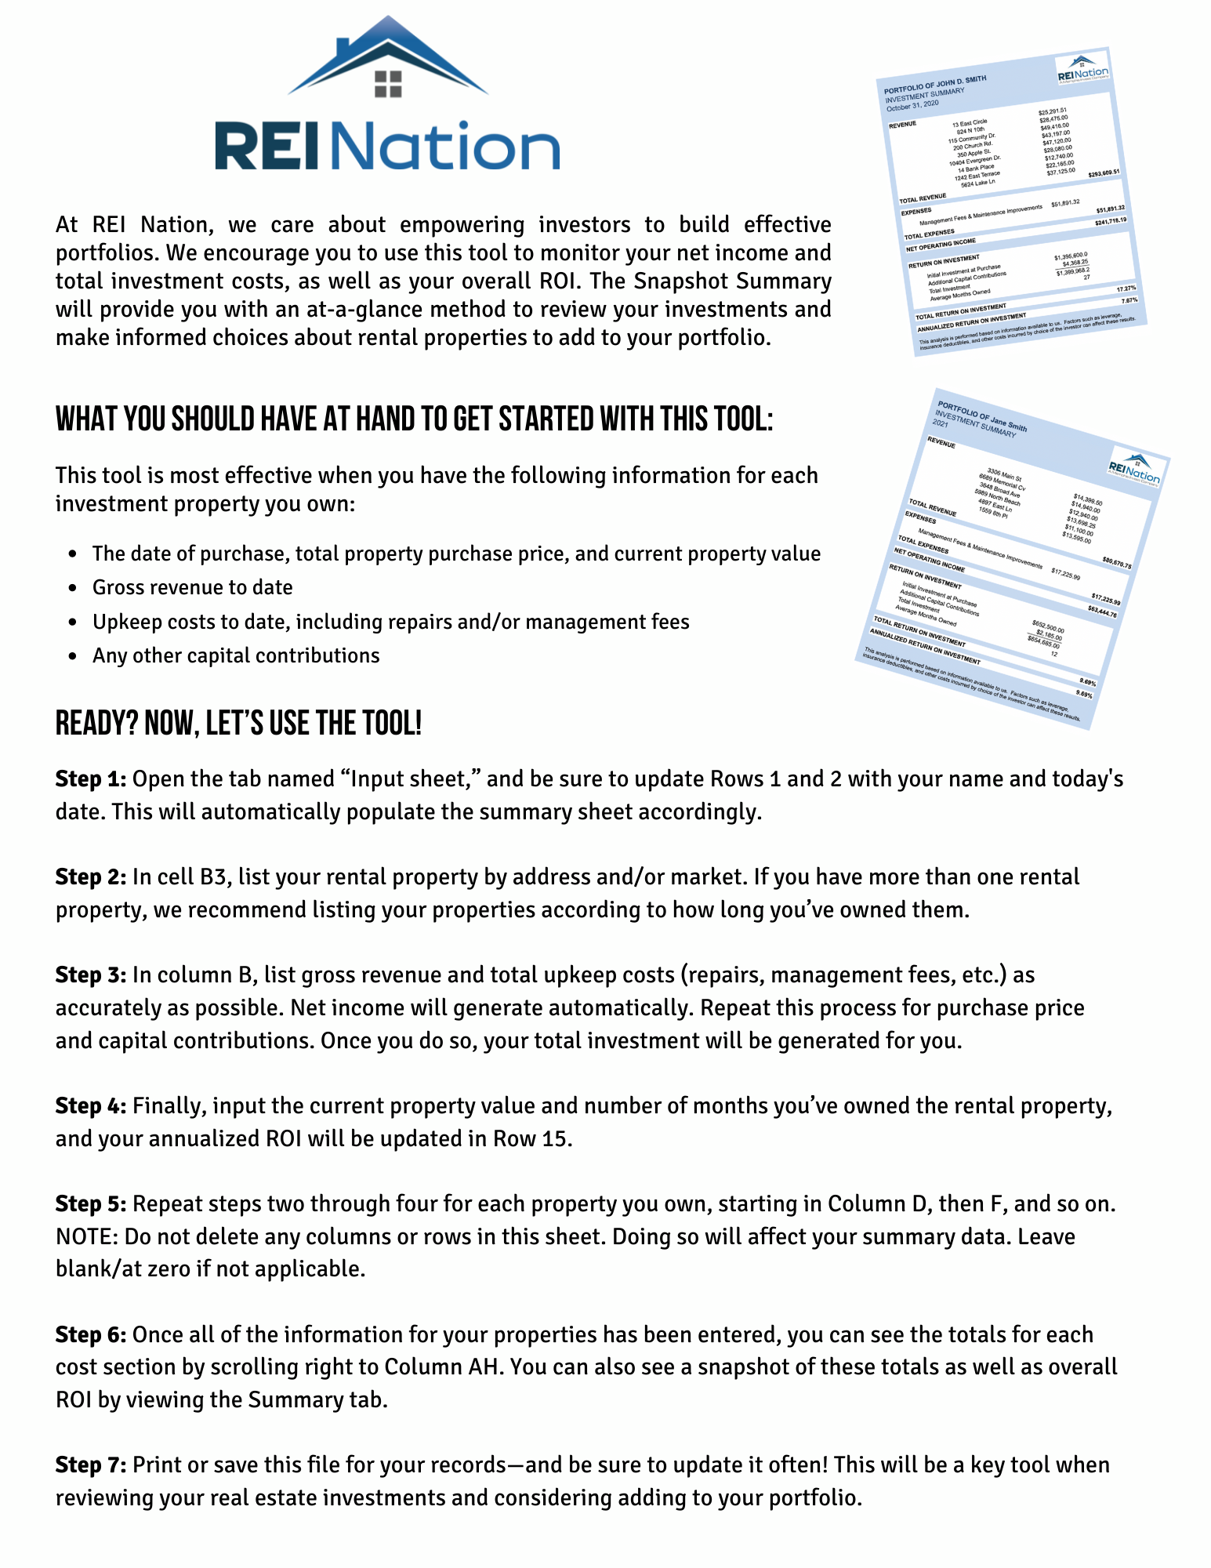

 | Questions? A team member from REI Nation is a phone call away!

Summary


PORTFOLIO OF
INVESTMENT SUMMARY

REVENUE

 | Example Property 1 | $14,920.00
 | Example Property 2 | $14,945.00
 | 0 | $0.00
 | 0 | $0.00
 | 0 | $0.00
 | 0 | $0.00
 | 0 | $0.00
 | 0 | $0.00
 | 0 | $0.00
 | 0 | $0.00
 | 0 | $0.00
 | 0 | $0.00

TOTAL REVENUE |  |  | $29,865.00

EXPENSES

 | Management Fees & Maintenance Improvements | $9,030.67

TOTAL EXPENSES |  |  | $9,030.67

NET OPERATING INCOME |  |  | $20,834.33

PORTFOLIO INVESTMENT DETAILS

 | Initial Investment at Purchase | $211,000.00
 | Additional Capital Contributions | $1,021.23
 | Total Investment | $212,021.23
 | Property Appreciation | $19,000.00
 | Average Months Owned | 16

TOTAL RETURN ON INVESTMENT |  |  | 18.79%

ANNUALIZED RETURN ON INVESTMENT |  |  | 14.09%

This analysis is performed based on information available to us. Factors such as leverage, insurance deductibles, and other costs incurred by choice of the investor can affect these results.

